Compare Annual Visitation
Compare Annual Visitation: 1980 to 2023

This report will not correctly export to CSV. Please export to Excel, Word, or PDF if you wish to save this report.

 | 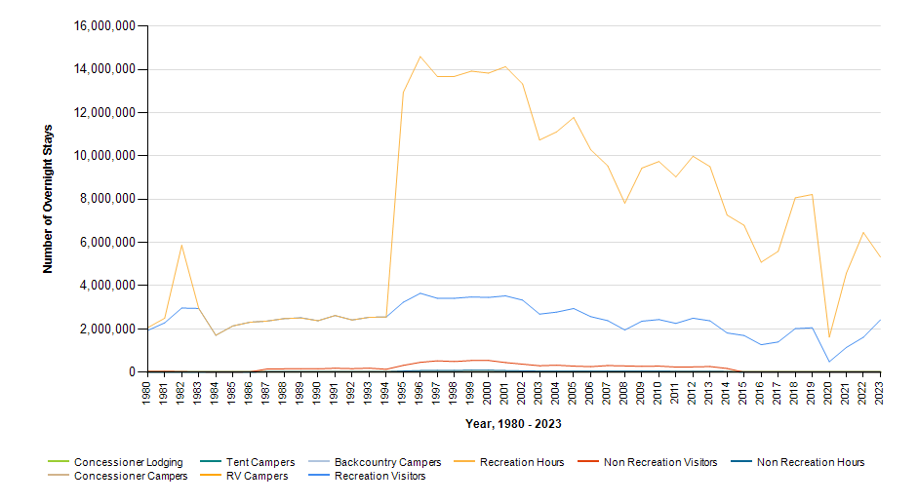

 |  | Year | Concessioner Lodging | Concessioner Campers | Tent Campers | RV Campers | Backcountry Campers | Recreation Visitors | Recreation Visitor Hours | Non Recreation Visitors | Non Recreation Visitor Hours
 |  | 2023 | 0 | 0 | 0 | 0 | 0 | 2,422,836 | 5,330,239 | 0 | 0
 |  | 2022 | 0 | 0 | 0 | 0 | 0 | 1,618,774 | 6,459,955 | 0 | 0
 |  | 2021 | 0 | 0 | 0 | 0 | 0 | 1,145,081 | 4,580,325 | 0 | 0
 |  | 2020 | 0 | 0 | 0 | 0 | 0 | 486,021 | 1,623,082 | 0 | 0
 |  | 2019 | 0 | 0 | 0 | 0 | 0 | 2,055,309 | 8,221,233 | 0 | 0
 |  | 2018 | 0 | 0 | 0 | 0 | 0 | 2,016,180 | 8,064,734 | 0 | 0
 |  | 2017 | 0 | 0 | 0 | 0 | 0 | 1,398,188 | 5,592,754 | 0 | 0
 |  | 2016 | 0 | 0 | 0 | 0 | 0 | 1,271,855 | 5,087,422 | 0 | 0
 |  | 2015 | 0 | 0 | 0 | 0 | 0 | 1,698,656 | 6,794,623 | 0 | 0
 |  | 2014 | 0 | 0 | 0 | 0 | 0 | 1,817,091 | 7,268,369 | 173,727 | 29,533
 |  | 2013 | 0 | 0 | 0 | 0 | 0 | 2,377,258 | 9,509,027 | 261,735 | 44,494
 |  | 2012 | 0 | 0 | 0 | 0 | 0 | 2,496,726 | 9,986,905 | 245,240 | 41,690
 |  | 2011 | 0 | 0 | 0 | 0 | 0 | 2,259,020 | 9,036,075 | 241,059 | 40,979
 |  | 2010 | 0 | 0 | 0 | 0 | 0 | 2,436,110 | 9,744,437 | 282,437 | 48,016
 |  | 2009 | 0 | 0 | 0 | 0 | 0 | 2,360,109 | 9,440,424 | 270,413 | 45,971
 |  | 2008 | 0 | 0 | 0 | 0 | 0 | 1,954,810 | 7,819,233 | 291,041 | 49,478
 |  | 2007 | 0 | 0 | 0 | 0 | 0 | 2,385,387 | 9,541,543 | 308,172 | 52,390
 |  | 2006 | 0 | 0 | 0 | 0 | 0 | 2,572,072 | 10,288,287 | 258,332 | 43,916
 |  | 2005 | 0 | 0 | 0 | 0 | 0 | 2,944,976 | 11,779,898 | 283,101 | 48,128
 |  | 2004 | 0 | 0 | 0 | 0 | 0 | 2,779,350 | 11,117,398 | 324,405 | 55,149
 |  | 2003 | 0 | 0 | 0 | 0 | 0 | 2,685,219 | 10,740,870 | 298,557 | 50,753
 |  | 2002 | 0 | 0 | 0 | 0 | 0 | 3,333,454 | 13,333,808 | 371,995 | 63,240
 |  | 2001 | 0 | 0 | 0 | 0 | 0 | 3,532,524 | 14,130,096 | 445,868 | 75,798
 |  | 2000 | 0 | 0 | 0 | 0 | 0 | 3,458,956 | 13,835,824 | 545,686 | 92,767
 |  | 1999 | 0 | 0 | 0 | 0 | 0 | 3,481,042 | 13,924,168 | 541,053 | 91,978
 |  | 1998 | 0 | 0 | 0 | 0 | 0 | 3,420,352 | 13,681,408 | 494,814 | 84,117
 |  | 1997 | 0 | 0 | 0 | 0 | 0 | 3,420,076 | 13,680,304 | 527,028 | 89,594
 |  | 1996 | 0 | 0 | 0 | 0 | 0 | 3,649,308 | 14,597,232 | 458,751 | 77,987
 |  | 1995 | 0 | 0 | 0 | 0 | 0 | 3,234,977 | 12,939,908 | 315,669 | 53,664
 |  | 1994 | 0 | 0 | 0 | 0 | 0 | 2,553,696 | 2,553,696 | 136,248 | 23,162
 |  | 1993 | 0 | 0 | 0 | 0 | 0 | 2,539,740 | 2,539,740 | 186,875 | 31,770
 |  | 1992 | 0 | 0 | 0 | 0 | 0 | 2,415,514 | 2,415,514 | 165,414 | 28,122
 |  | 1991 | 0 | 0 | 0 | 0 | 0 | 2,622,425 | 2,622,425 | 184,050 | 30,676
 |  | 1990 | 0 | 0 | 0 | 0 | 0 | 2,382,612 | 2,382,612 | 156,980 | 26,164
 |  | 1989 | 0 | 0 | 0 | 0 | 0 | 2,518,712 | 2,508,712 | 154,850 | 26,191
 |  | 1988 | 0 | 0 | 0 | 0 | 0 | 2,477,458 | 2,477,458 | 156,055 | 26,006
 |  | 1987 | 0 | 0 | 0 | 0 | 0 | 2,364,694 | 2,364,694 | 146,950 | 24,489
 |  | 1986 | 0 | 0 | 0 | 0 | 0 | 2,311,147 | 2,311,147 | 13,820 | 2,301
 |  | 1985 | 0 | 0 | 0 | 0 | 0 | 2,140,316 | 2,140,316 | 1,200 | 192
 |  | 1984 | 0 | 0 | 0 | 0 | 0 | 1,709,993 | 1,709,993 | 1,200 | 192
 |  | 1983 | 0 | 0 | 0 | 0 | 0 | 2,948,022 | 2,948,022 | 15,746 | 2,623
 |  | 1982 | 0 | 0 | 0 | 0 | 0 | 2,967,323 | 5,871,439 | 23,061 | 3,842
 |  | 1981 | 0 | 0 | 0 | 0 | 0 | 2,282,261 | 2,497,312 | 43,011 | 7,164
 |  | 1980 | 0 | 0 | 0 | 0 | 0 | 1,928,825 | 2,058,398 | 40,976 | 6,829

